Test Case
Test Case ID | Scenario ID | API ID | Test Case | Preconditions | Test Data | Test Steps | Expected Result | Actual Result | Evidence | Status
TC_001 | TS-USR-001 | API-008 | Verify creating a new user with valid data | Internet connection available Valid data available Tool testing available | Header: Content-Type: application/json URL: https://petstore3.swagger.io/api/v3/user | 1.Open the tool testing 2.Enter URL 3.Select test method 4.Enter header data 5.Select body items 6. Enter body request 7. Click on "Send" button | The tool testing should be opened The URL should be entered Test method should be selected Header data should be entered Body items should be selected Body request should be entered ""Send"" button should be clicked Status code shoud be displayed 200 ok Body response should be displayed The account should be created new successfully with valid data | Tool testing "Postman" screen has been opened. URL "https://petstore3.swagger.io/api/v3/user" has been entered. Test method "POST" has been selected. Header data "Key = Content-Type", " Value = application/json" have been entered. Body items "raw" and "JSON" have been selected. Body request has been entered: "id": 10, "username": "theUser", "firstName": "John", "lastName": "James", "email": "john@email.com", "password": "12345", "phone": "12345", "userStatus": 1 "Send" button has been clicked. Status code "500Internal Server Error" has been displayed. Body response has been displayed: "code": 500, "message": "There was an error processing your request. It has been logged (ID: a4868259fa29edce)". The account hasn't been created new. | 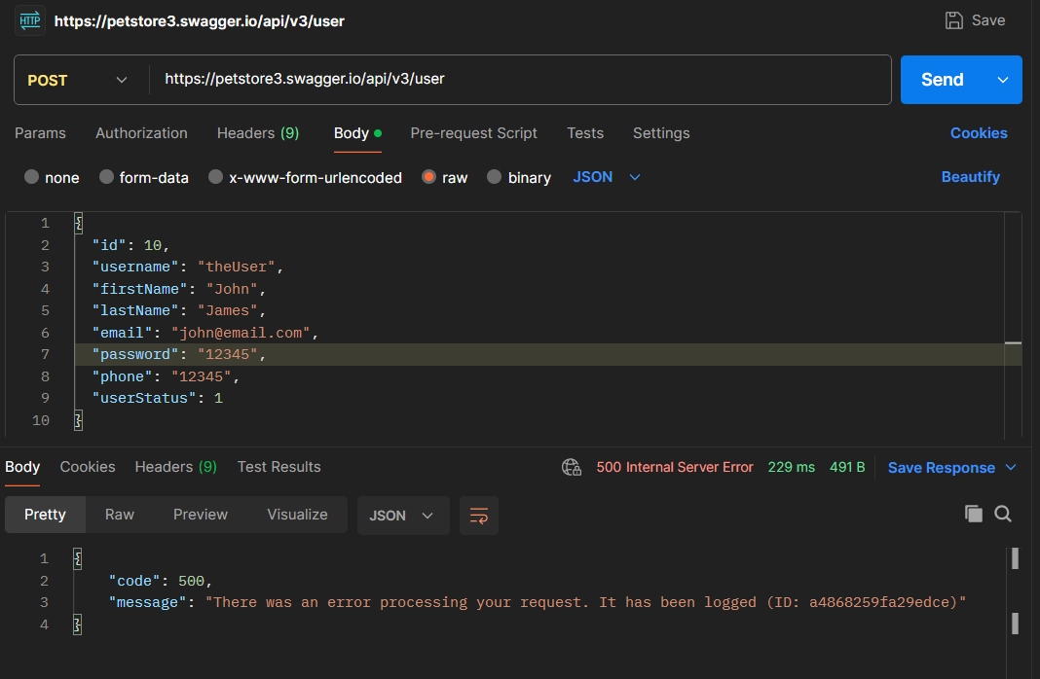 | FAIL
TC_002 | TS-USR-019 | API-011 | Verify deleting an existing user by valid username | Internet connection available Valid username available Tool testing available | URL: https://petstore3.swagger.io/api/v3/user/theUser | 1.Open the tool testing 2.Enter URL with valid username 3.Select test method 4.Select body items 5. Click on "Send" button | The tool testing should be opened The URL should be entered Test method should be selected Body items should be selected "Send" button should be clicked Status code shoud be displayed Body response should be displayed The username should be deleted an existing user by valid username | Tool testing "Postman" screen has been opened. URL "https://petstore3.swagger.io/api/v3/user/theUser" has been entered. Test method "DELETE" has been selected. Body items "NONE" has been selected. "Send" button has been clicked. Status code "500Internal Server Error" has been displayed. Body response has been displayed: "code": 500, "message": "There was an error processing your request. It has been logged (ID: f5d8d6cc0bf0e9e5)" The username hasn't been deleted. | 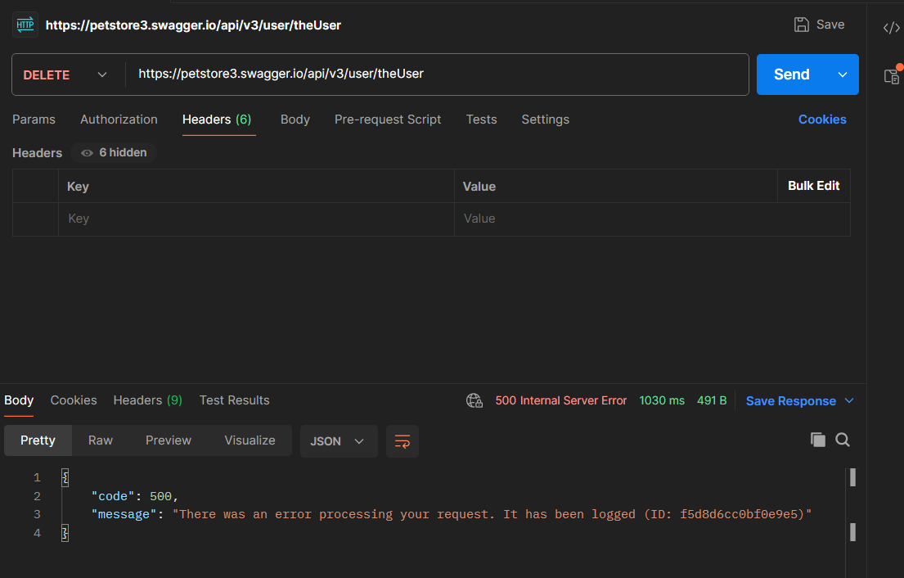 | FAIL
TC_003 | TS-PET-018 | API-004 | Verify retrieving a pet with non-existing ID | Internet connection available Invalid ID available Tool testing available | URL: https://petstore3.swagger.io/api/v3/pet/909090 | 1.Open the tool testing 2.Enter URL with valid ID 3.Select test method 4.Select body items 5. Click on "Send" button | The tool testing should be opened The URL should be entered Test method should be selected Body items should be selected "Send" button should be clicked Status code shoud be displayed failure Body response should be displayed The users should not retrieve a pet with non-existing ID | Tool testing "Postman" screen has been opened. URL "https://petstore3.swagger.io/api/v3/pet/909090" has been entered. Test method "GET" has been selected. Body items "NONE" has been selected. "Send" button has been clicked. Status code "404 Not Found" has been displayed. Body response "Pet not found" has been displayed. The username hasn't been retrieve non-existing ID. | 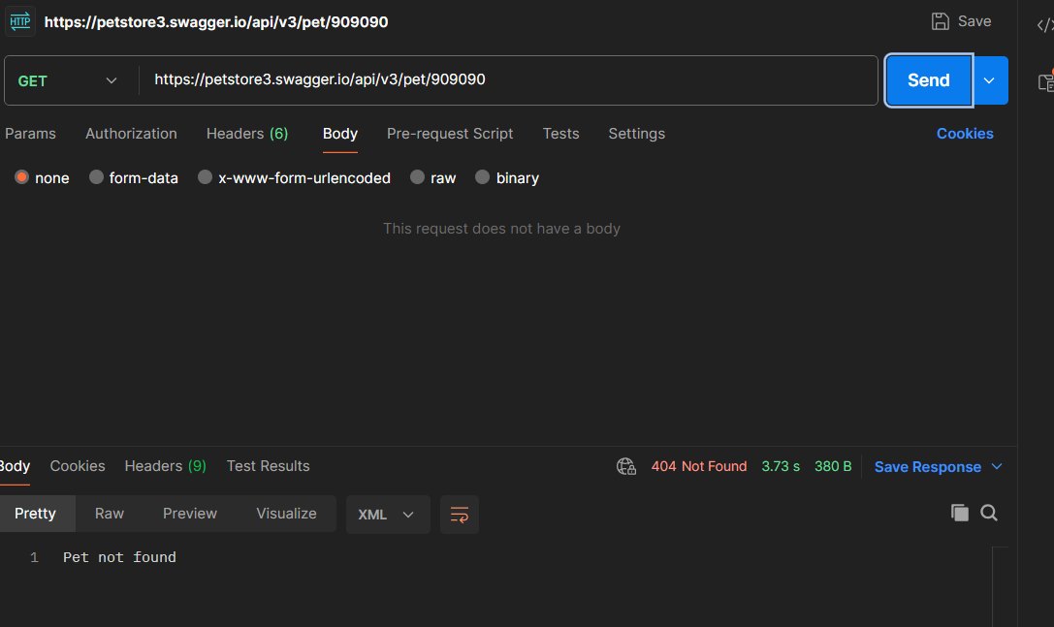 | PASS
TC_004 | TS-PET-019 | API-004 | Verify deleting a pet with non-existing ID | Internet connection available Invalid ID available Tool testing available | URL: https://petstore3.swagger.io/api/v3/pet/909090 | 1.Open the tool testing 2.Enter URL with valid ID 3.Select test method 4.Select body items 5. Click on ""Send"" button | The tool testing should be opened The URL should be entered Test method should be selected Body items should be selected "Send" button should be clicked Status code shoud be displayed failure Body response should be displayed deleting failure The users should not delete a pet with non-existing ID | Tool testing "Postman" screen has been opened. URL "https://petstore3.swagger.io/api/v3/pet/909090" has been entered. Test method "DELETE" has been selected. Body items "NONE" has been selected. "Send" button has been clicked. Status code "200ok" has been displayed. Body response "Pet deleted" has been displayed. The non-existing ID has been deleted. Test result hasn't been completed. | 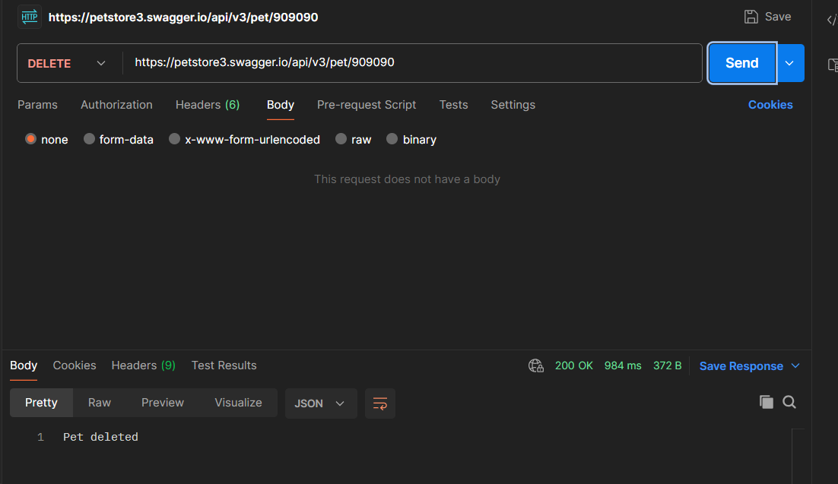 | FAIL

